SQL Installation FCI
Step | Category | Task | Comment
1 | Mapped/Mounted Drives | Mapped/Mounted Drives | Ensure that the following drives are monted and the correct folders created:
 |  |  | => (DB Data) D:\sqlserver_data
 |  |  | => (DB Data) D:\sqlserver_data\OLAP
 |  |  | => (DB Archive) F:\sqlserver_data
 |  |  | => (DB ArchiveLog) G:\sqlserver_log
 |  |  | => (DB Log) L:\sqlserver_log
 |  |  | => (DB Log) L:\sqlserver_log\OLAP
 |  |  | => (DB System) S:\sqlserver_system
 |  |  | => (DB Temp) T:\tempDB
 |  |  | => (DB Temp) T:\tempDB\OLAP
 |  |  | => (NAS_Backup) N:\sqlserver\various
2 | Cluster Node | Add the Ernie server as a Node of the cluster | => Connect to the cluster created in the steps before (Open Failover Cluster Management, right click Failover Cluster Manager and Connect to SQLCLUSTER)
 |  |  | => In the 'Nodes' tab, Check if Ernie is added to Cluster. If not, right click, add node, type 'Ernie' (Just in case you haven't added this server to the Cluster yet - Follow steps in Cluster Setting tab). Extra steps for Bert Only: => When adding the node to the cluster, untick "Add all eligible storage to the cluster" during setup. => Once node is added, go to Failover Cluster Manager. => Right click Disks & Add disks. Select the 6 disks. => Right click Disks again => Move Available Storage => Select Node... => Bert In disks, you should now have 6 disks with Ernie as owner and 6 with Bert as owner (refer to screen shot).. | 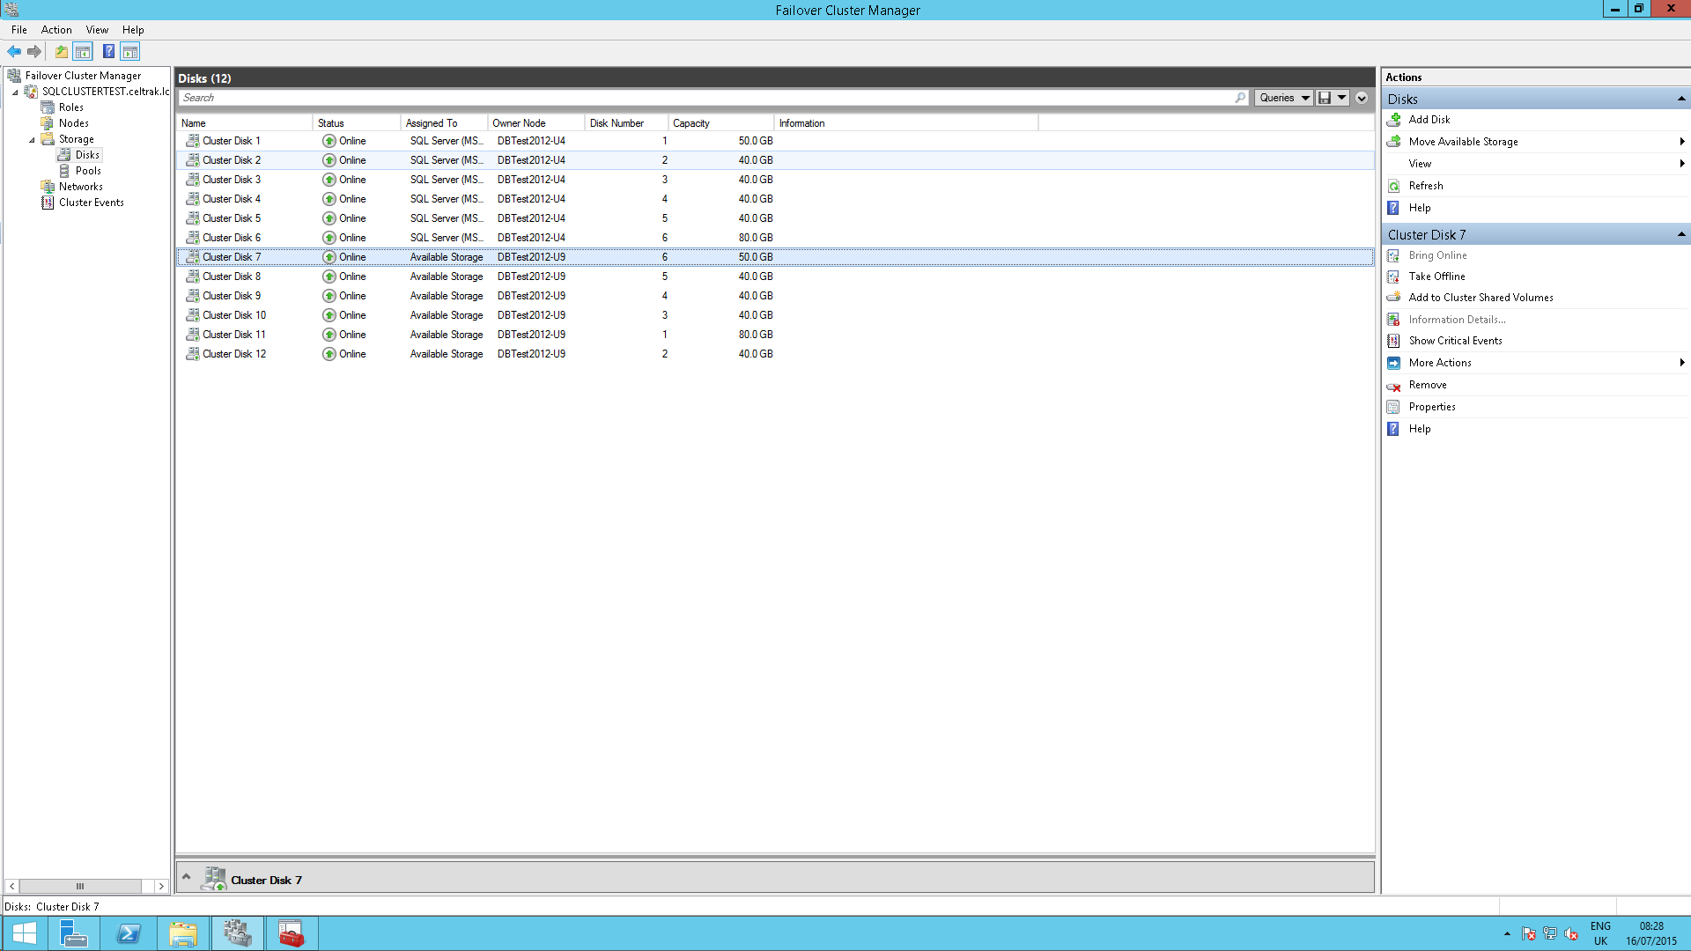
3 | Installation | Install a new Instance | Run "setup.exe" from SQL Server 2014 Enterprise installation media in \\backoffice\Applications\SoftwareRepository\SQLServer\"XXXXX"
 |  |  | In "SQL Server Installation Media Center" go to "Installation" and select "New SQL Server Failover Cluster…"
 |  |  | SQL Server 2014 Setup:
 |  |  | => Product Key:
 |  |  | => License Terms: Accept

 |  |  | When you see the following warning:
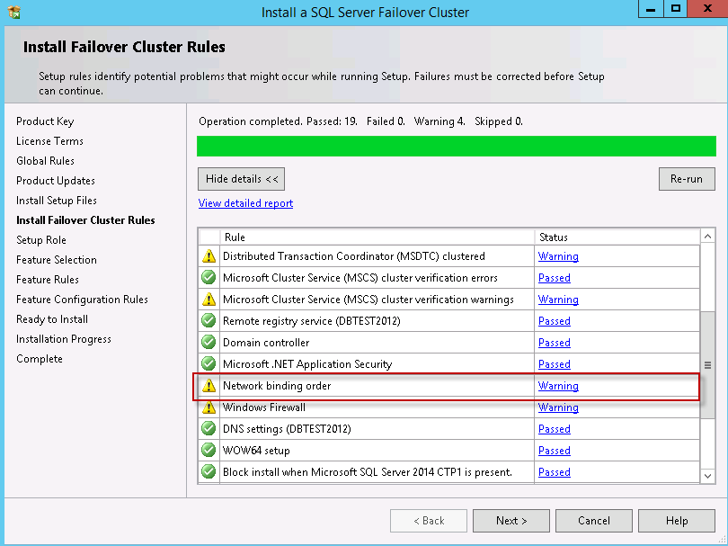

 |  |  | => Go to Control Panel\Network and Sharing Center, Change adapter Settings, hit ALT on keyboard, Advanced Tab, advanced settings, change the connections order, setting LAN before Heartbeat (or Cluster Network).

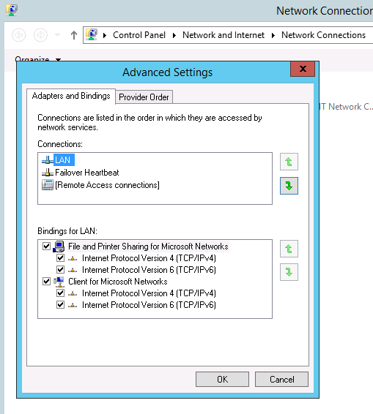

 |  |  | Re-Run SQL installation "Install Failover Cluster Rules".

 |  |  | => Setup Role: SQL Server Feature Installation
 |  |  | => Feature Selection: Select all except:
 |  |  | => Data quality Client
 |  |  | => Documentation Components
 |  |  | => Master data services

 |  |  | If in the next steps you face the following error:
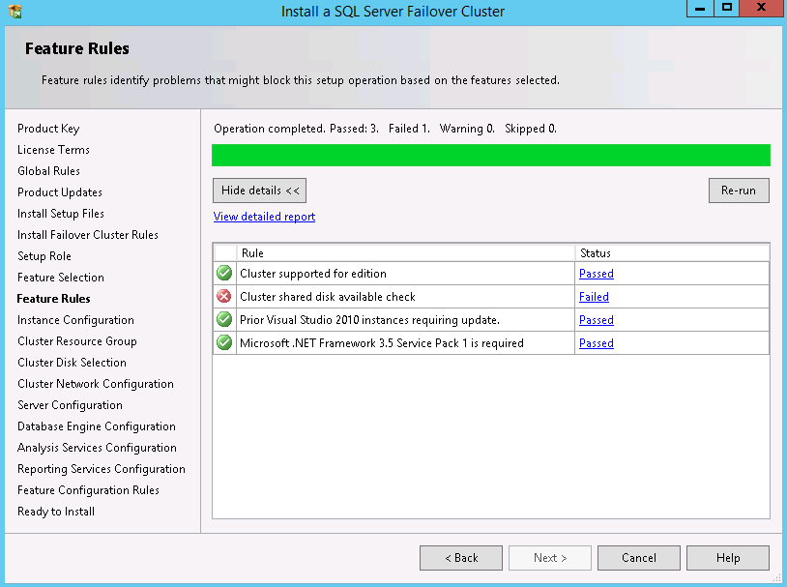

 |  |  | => Open Failover Cluster Manager, go to Storage\Disks, you will see the column "Assigned To" Cluster Shared Volume
 |  |  | => If you can see Disks: Select all disks you are going to use, right click, "Remove from Cluster Shared Volume". Assigned To value should now be "Available Storage".
 |  |  | => If there are no disks there already, Add disks (6). Confirm that Assigned To value should now be "Available Storage".

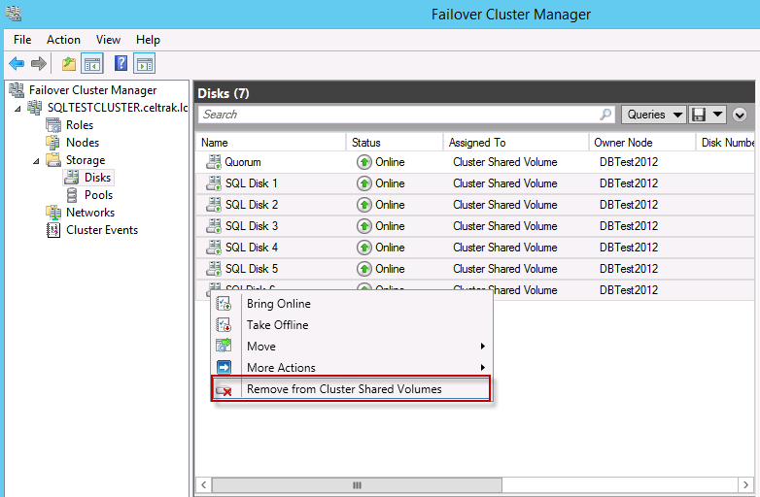

 | SQLFCIU4

 |  |  | Re-run SQL Server validation

 |  |  | => Instance Configuration
 |  |  | =>SQL Server Network Name: SQLFCIU4 (or SQLFCIU9 for BERT) (You do need to specify the network name) If you are told this instance name is already in use, talk to Eoghan about removing AD/DNS records for previous SQL Server instances.
 |  |  | => Instance ID: Do not use the default. This is because both the Unit 9 and Unit 4 FCI SQL installations cannot use the default instance ID. If we use default in Unit 4, we will need to use named instance ID in unit 9. This combination will work fine. But if we are not going to use default Instance ID in unit 4, we might as well not use default in unit 9 either (to be consistant). Input instance ID as SQLU4 (or SQLU9 for BERT).
 |  |  | => Instance Name: Not sure if we need to. Let's set it as SQLU4 (or SQLU9 for BERT).

 |  |  | => Cluster Resource Group
 |  |  | Change Name of SQL Server Cluster resource group name = "SQL SERVER (UNIT4) RG" (or "SQL SERVER (UNIT4) RG" for BERT).
 |  |  | Ignore warnings => Available Storage (The cluster group "Available Storage is reserve…" => Cluster Group (The cluster group "Cluster group" is reserve…"

 |  |  | => Cluster Disk Selection:
 |  |  | => Select all 6 disks and Next

 |  |  | => Cluster Network Configuration
 |  |  | => Select the tick box for IPv4 => Under Address input the IP address of the Failover instance Unit 4 (or unit 9 for Bert) (provided by Eoghan) (NOT the IP address of the Cluster or Ernie).

 |  |  | => Server Configuration:
 |  |  | => Set all services to manual except SQL Server Browser = Automatic.
 |  |  | => For each service (except Browser & Full-text), change account name to CELTRAK\administrator & put in e* password. Ensure to change any service that is not greyed out.
 |  |  | => Collation tab: SQL_Latin1_General_CP1_CI_AS
 |  |  | => Database Engine Configuration
 |  |  | => Server Configuration
 |  |  | => Add Current User
 |  |  | => Select Mixed Mode and enter 3x.. password.
 |  |  | => Data Directories
 |  |  | => Data Root directory: S:\sqlserver_system
 |  |  | => User database: D:\sqlserver_data
 |  |  | => User database log: L:\sqlserver_log
 |  |  | => Temp DB: T:\TempDB
 |  |  | => Temp DB Log: T:\TempDB
 |  |  | => Backup: N:\sqlserver\backup
 |  |  | Analysis Services Configuration:
 |  |  | => Server Configuration
 |  |  | => Multidimensional
 |  |  | => Add Current User
 |  |  | => Data directories:
 |  |  | => Data directory: D:\sqlserver_data\OLAP
 |  |  | => Log File Directory: L:\sqlserver_log\OLAP
 |  |  | => Temp Directory: T:\TempDB\OLAP
 |  |  | => Backup: N:\sqlserver\backup
 |  |  | Reporting Services Native Mode: Install and configure
 |  |  | Distributed Replay Controller: Add Current User
 |  |  | Distributed Replay Client:
 |  |  | => Controller Name: Ernie_CONTROLLER
 |  |  | => No change to directories
 |  |  | INSTALL
4 | Installation | Stop services | In "SQL SERVER CONFIGURATON MANAGER", stop any SQL Server Service that are running (ie Analysis/Reporting services) that is not SQL Server (MSSQLSERVER).
5 | Installation | Service Packs | Check if there are any service packs to install. At the time of installation, there was only 1 service pack but it is faulty (Micrsoft pulled it). http://sqlserverbuilds.blogspot.ie/ http://www.brentozar.com/archive/2015/04/breaking-news-dont-install-sql-server-2014-sp1/ | DO NOT INSTALL
6 | Installation | Verification | Verfiy SQL Server edition: SELECT @@VERSION
7 | Installation | Move System Databases | Please refer to tab "Temp DB Files".

SQL Server settings
Step | Location 1 | Location 2 | Task
1 | Server Properties | Memory | Set Maximum server Memory (MB) to 26000.
2 | Server Properties | Processors | Boost SQL Server priority should not be ticked.
3 | Server Properties | Security | Tick "Cross database ownership chaining".
4 | Security | Logins | => Exec master.dbo.sp_help_revlogin on Bert. If this stored procedure doesn't existing create it using "U:\SQL Database Team\Projects\SQL Server 2014 Enterprise Upgrade\Deployment\logins_migration.sql" => In results, replace "BERT" with "SQLFCIU4" => In results, remove login "NT AUTHORITY\SYSTEM", "CELTRAK\Administrator" and 3 "BERT\SQLServer2005..." as they already exists in SQLFCIU4 => Paste results into Ernie and execute.
5 | Management | Database Mail | Configure Database Mail (see below how)
6 | SQL Agent | Operators | Script each SQL Server Agent / Operator and manually verify that they match Bert.
7 | SQL Agent | Jobs | Script each enabled SQL Agent job on BERT and combine into 1 script. => Ensure to change locations of NAS drive (ie replace G:\ to N:\) => Disable each job in the script before executing on Ernie (@enabled=0 under sp_add_job).
8 | SQL Agent | Alerts | Script each SQL Server Alerts. => NB after executing on Ernie, look at the properties of the new Alerts and ensure in Response section that "Notify Operators" is ticked and select "DBA Team".
9 | SQL Service Properties | Enable AlwaysOn AG: | Open SQL Server Configuration Manager, SQL Server Services, right click SQL Server (MSSQLSERVER), properties, AlwaysOn High Availability, in Windows failover cluster name - select the cluster, then tick box on "Enable AlwaysOn Availability Groups". Restart SQL Server.
10 | SQL Server Network Config | TCP/IP protocol | Enable TCP/IP protocol in SQL config manager. Should be done already. In Server Configuration Manager, navigate to => SQL Server Network Configuration > Protocols for MSSQL Server, right-click TCP/IP, and click Enable
11 | RegEdit | Change Regedit setting: NtfsDisable8dot3NameCreation | NTFS can generate both short and long name. Value of 1: NTFS does not create short file names. Although this setting increases file performance, applications that cannot process long file names, and computers that use different code pages, might not be able to find the files. Run regedit.exe HKEY_Local_Machine\SYSTEM\CurrentControlSet\Control\FileSystem Change value of NtfsDisable8dot3NameCreation from 2 to 1.
12 | RegEdit | Change Regedit setting: LargeSystemCache | Specifies whether the system maintains a standard size or a large size file system cache, and influences how often the system writes changed pages to disk. Value of 0: Establishes a standard size file-system cache of approximately 8 MB. The system allows changed pages to remain in physical memory until the number of available pages drops to approximately 1,000. This setting is recommended for servers running applications that do their own memory caching, such as Microsoft SQL Server, and for applications that perform best with ample memory, such as Internet Information Services (IIS). Run regedit.exe HKEY_Local_Machine\SYSTEM\CurrentControlSet\Control\Session Manager\Memory Management Change value of LargeSystemCache from 1 to 0.
13 | RegEdit | Change Regedit setting: DisablePagingExecutive | Specifies whether user-mode and kernel-mode drivers and kernel-mode system code can be paged to disk when not in use. Value of 1: Drivers and the kernel must remain in physical memory. Run regedit.exe HKEY_Local_Machine\SYSTEM\CurrentControlSet\Control\Session Manager\Memory Management Change value of DisablePagingExecutive from 0 to 1.
14 | SecPol | Instant File Initialization | This should already be enabled anyway. Verify that it is. => Run secpol.msc => Security Settings\ Local Policies. => User Rights Assignment => Perform volume maintenance tasks => Double click and Add User or Group.. => Add SQL Server Service account (ie celtrak\administrator).

 | RESTART SQL SERVER

 | Linked Servers:
 | In Server Objects/Linked Server/Providers, SQL 2005 has more providers.
 | This shouldn’t be an issue and we don't have linked servers anyway.
 | It is good to be aware of it anyway, just in case.

 | In case the following two linked server providers are required (SQLXMLOLEDB, SQLXMLOLEDB.4.0), below is the link to download them:
 | https://www.microsoft.com/en-us/search/Results.aspx?q=sqlxml&form=DLC

 | Configure Database Mail
 | => In Managerement, right click Database Mail, "configure database mail"
 | => Select "Set up Database Mail by performing the following tasks"
 | => If prompted to ask you to enable Database Mail feature, select Yes.
 | => Type "SQLServerTeam" in profile name
 | => Configure SMTP account as follow:

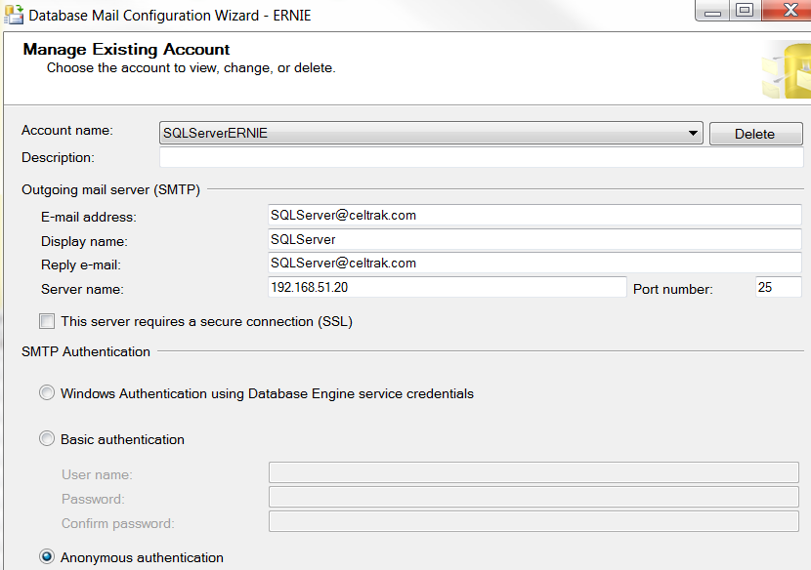

 | For Public Profile, tick the box and change Default Profile = Yes.
 | no change required to Private Profile.
 | Next & Finish

